Marine_Habitats
Element | Precision level | Remarks | Measurenment units | Source | Element | Precision level | Remarks | Measurenment units | Source
Benthic habitat | EUNIS classification | Area covered per habitat | km² | https://emodnet.ec.europa.eu/en/seabed-habitats | Benthic habitat | EUNIS classification | Area covered per habitat | km² | https://emodnet.ec.europa.eu/en/seabed-habitats
A3: Infralittoral rock and other hard substrata | A3 | 2.673 | km² |  | A3: Infralittoral rock and other hard substrata | A3 | 19.641 | km²
A3.1: Atlantic and Mediterranean high energy infralittoral rock | A3.1 | 0.008 | km² |  | A4: Circalittoral rock and other hard substrata | A4 | 735.426 | km²
A3.2: Atlantic and Mediterranean moderate energy infralittoral rock | A3.2 | 0.928 | km² |  | A5: Sublittoral sediment | A5 | 692.877 | km²
A3.3: Atlantic and Mediterranean low energy infralittoral rock | A3.3 | 16.032 | km² |  | A6: Deep-sea bed | A6 | 11981.113 | km²
A4: Circalittoral rock and other hard substrata | A4 | 0.517 | km² |  | Na | Na | 1348.253 | km²
A4.12 or A4.27 or A4.33: Sponge communities on deep circalittoral rock or Faunal communities on deep moderate energy circalittoral rock or Faunal communities on deep low energy circalittoral rock | A4.12 or A4.27 or A4.33 | 13.924 | km²
A4.2: Atlantic and Mediterranean moderate energy circalittoral rock | A4.2 | 5.927 | km² |  | Map of the sea bed habitat (EUNIS level 2) in Porsangerfjord (©Gwendoline Heude)
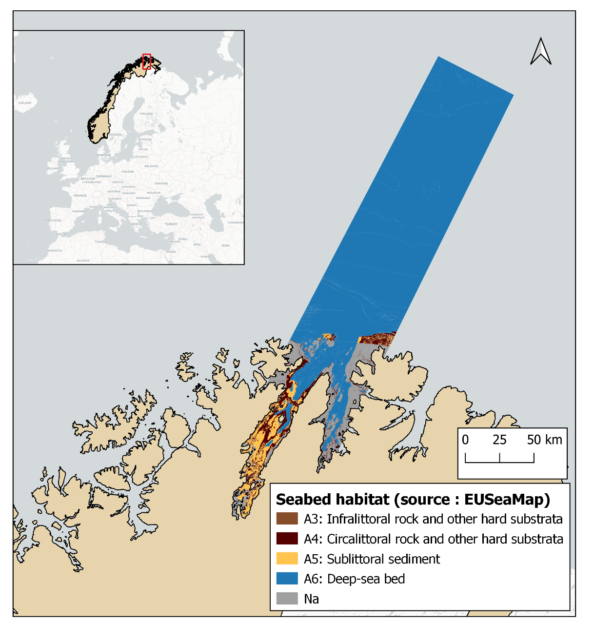
A4.27: Faunal communities on deep moderate energy circalittoral rock | A4.27 | 0.008 | km²
A4.3: Atlantic and Mediterranean low energy circalittoral rock | A4.3 | 61.734 | km²
A4.33: Faunal communities on deep low energy circalittoral rock | A4.33 | 653.316 | km²
A5.13: Infralittoral coarse sediment | A5.13 | 13.649 | km²
A5.14: Circalittoral coarse sediment | A5.14 | 17.404 | km²
A5.15: Deep circalittoral coarse sediment | A5.15 | 303.906 | km²
A5.25 or A5.26: Circalittoral fine sand or Circalittoral muddy sand | A5.25 or A5.26 | 3.892 | km²
A5.27: Deep circalittoral sand | A5.27 | 5.191 | km²
A5.33: Infralittoral sandy mud | A5.33 | 1.012 | km²
A5.34: Infralittoral fine mud | A5.34 | 0 | km²
A5.37: Deep circalittoral mud | A5.37 | 341.97 | km²
A5.43: Infralittoral mixed sediments | A5.43 | 0.82 | km²
A5.45: Deep circalittoral mixed sediments | A5.45 | 5.033 | km²
A6: Deep-sea bed | A6 | 2745.805 | km²
A6.11: Deep-sea rock | A6.11 | 125.218 | km²
A6.3 Deep-sea sand or A6.4 Deep-sea muddy sand | A6.3 or A6.4 | 29.098 | km²
A6.5: Deep-sea mud | A6.5 | 9080.992 | km²
Na | Na | 1348.253 | km²

Coastal_land_use_CLC
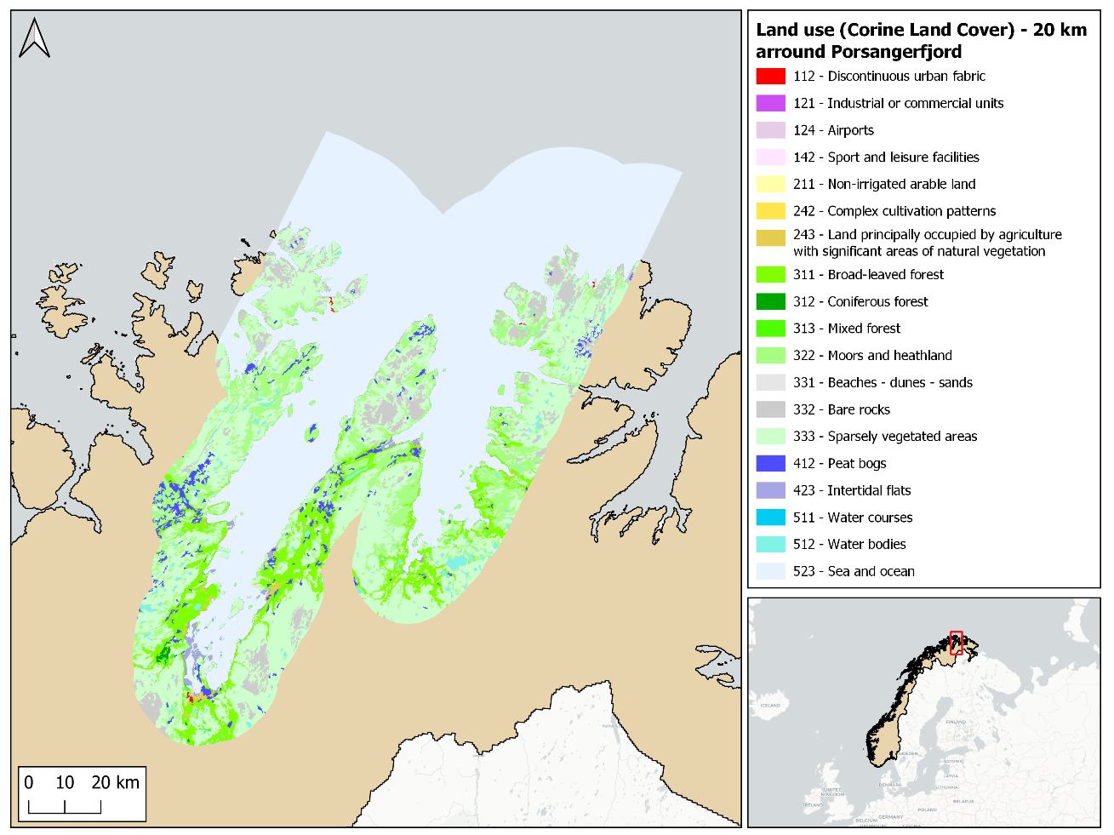
Code | Type | Zone | Area | Units | Source | Map of the land use in a perimeter of 20 km arround Porsangerfjord (©Gwendoline Heude)
112 | Discontinuous urban fabric | 20 km arround Porsangerfjord | 4.7 | km² | https://land.copernicus.eu/pan-european/corine-land-cover/clc2018?tab=mapview
121 | Industrial or commercial units | 20 km arround Porsangerfjord | 0.4 | km²
124 | Airports | 20 km arround Porsangerfjord | 1.6 | km²
142 | Sport and leisure facilities | 20 km arround Porsangerfjord | 0.8 | km²
211 | Non-irrigated arable land | 20 km arround Porsangerfjord | 0.4 | km²
242 | Complex cultivation patterns | 20 km arround Porsangerfjord | 0.5 | km²
243 | Land principally occupied by agriculture, with significant areas of natural vegetation | 20 km arround Porsangerfjord | 29.9 | km²
311 | Broad-leaved forest | 20 km arround Porsangerfjord | 811.3 | km²
312 | Coniferous forest | 20 km arround Porsangerfjord | 10.0 | km²
313 | Mixed forest | 20 km arround Porsangerfjord | 10.4 | km²
322 | Moors and heathland | 20 km arround Porsangerfjord | 1264.5 | km²
331 | Beaches, dunes, sands | 20 km arround Porsangerfjord | 0.8 | km²
332 | Bare rock | 20 km arround Porsangerfjord | 586.9 | km²
333 | Sparsely vegetated areas | 20 km arround Porsangerfjord | 3191.7 | km²
412 | Peatbogs | 20 km arround Porsangerfjord | 205.9 | km²
423 | Intertidal flats | 20 km arround Porsangerfjord | 54.2 | km²
511 | Water courses | 20 km arround Porsangerfjord | 0.7 | km²
512 | Water bodies | 20 km arround Porsangerfjord | 155.2 | km²
523 | Sea and ocean | 20 km arround Porsangerfjord | 6118.2 | km²

Physical
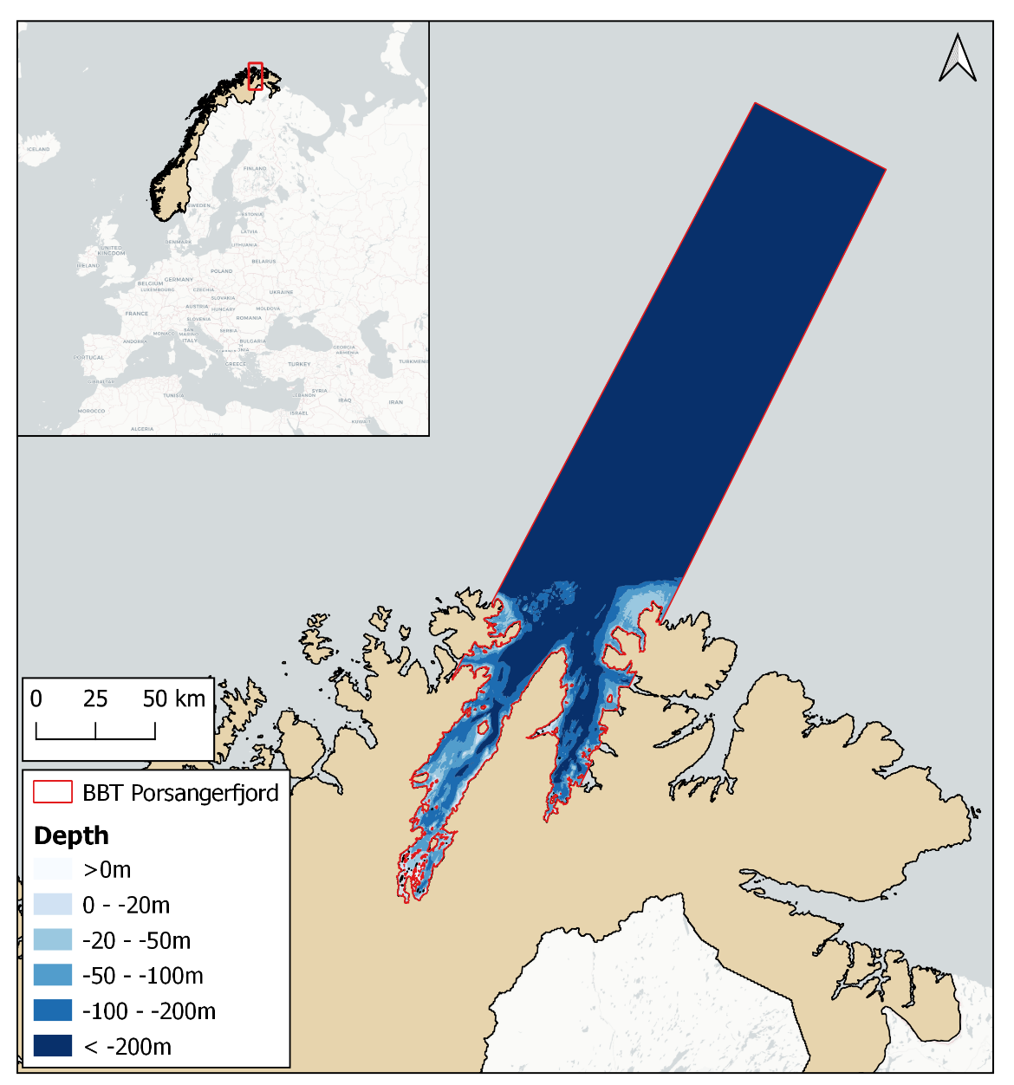
Element | Precision level | Remarks | Measurement unit | Source
Total area of BBT |  | 15003.969 | km2 |  | Map of the bathymetry of Porsangerfjord (©Gwendoline Heude)
Area of 0-20m isobath | Reference : Lowest Astronomical Tide (LAT), with 1/16 arc minute resolution | 212.115 | km² | https://emodnet.ec.europa.eu/en/bathymetry
Area of 21- 50m isobath |  | 526.19 | km2
Area below 50m depth |  | 14006.905 | km²
Area of 50-100m isobath |  | 821.358 | km²
Area of 100-200m isobath |  | 1182.669 | km²
Area below 200m depth |  | 12002.878 | km²
Tidal regime | type, amplitude, mean, extreme |  | M2, microtidal, other | Stramska et al., 2016
SSH | annual mean, maximal sumer, minimal winter |  | C | Copernicus Marine Data https://data.marine.copernicus.eu/products
Salinity surface | mean summer | 31.73 | PSU | Mankettikkara, 2013
Salinity surface | mean winter | 33.84 | PSU | Mankettikkara, 2013
Salinity near bottom 50m | mean summer mean winter |  | PSU | ?
Salinity 100m | mean summer | 33.87 | PSU | Mankettikkara, 2013
Salinty 100m | mean winter | 33.98 | PSU | Mankettikkara, 2013
Salinity at sea floor |  |  |  | ?
Temperature surface | mean summer | 7.9 | °C | Mankettikkara, 2013
Temperature surface | mean winter | 3.09 | °C | Mankettikkara, 2013
Temperature 100m | mean summer | 3.14 | °C | Mankettikkara, 2013
Temperature 100m | mean winter | 3.16 | °C | Mankettikkara, 2013

Tidal range
Euphotic layer

